List3
FOXTER Q - wall mounted heater with fan PRICE LIST valid for 2021

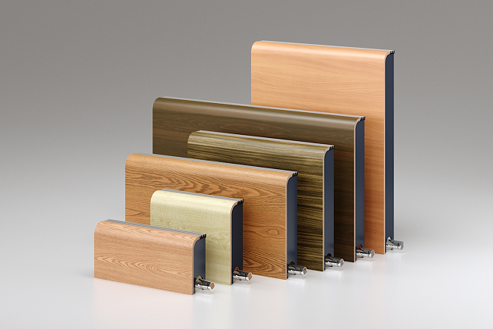

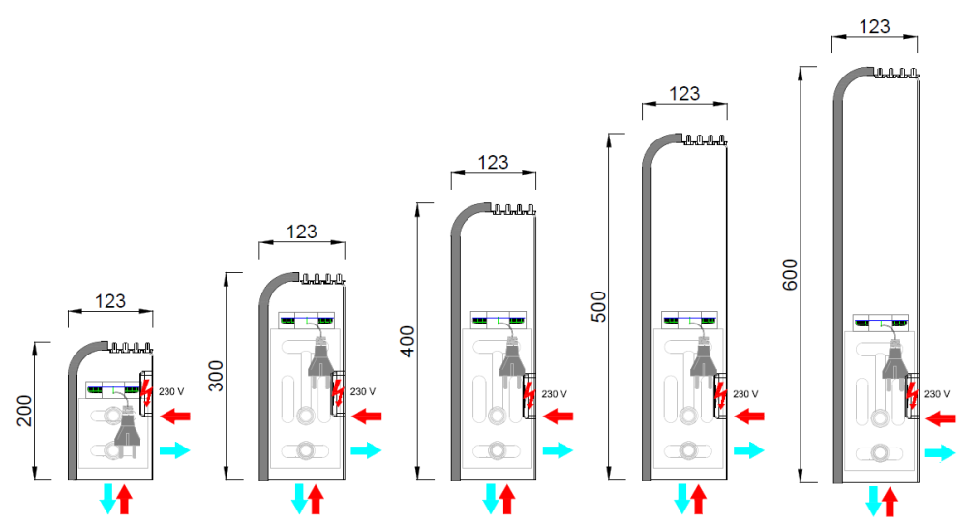

FOXTER height H = 200 mm
length L (mm) = | 800 | 900 | 1000 | 1100 | 1200 | 1300 | 1400 | 1500 | 1600
Heating output for 75/65/20 | 751 | 885 | 1019 | 1153 | 1287 | 1421 | 1555 | 1689 | 1823
Price FTR-Q-1010-200-L-120 | 571 € | 604 € | 621 € | 662 € | 695 € | 722 € | 754 € | 792 € | 836 €
L (mm) = | 1700 | 1800 | 1900 | 2000 | 2100 | 2200 | 2300 | 2400 | 2500
Heating output for 75/65/20 | 1958 | 2092 | 2226 | 2360 | 2494 | 2628 | 2762 | 2896 | 3030
Price FTR-Q-1010-200-L-120 | 855 € | 868 € | 891 € | 935 € | 953 € | 971 € | 995 € | 1,016 € | 1,069 €

FOXTER height H = 300 mm
length L (mm) = | 800 | 900 | 1000 | 1100 | 1200 | 1300 | 1400 | 1500 | 1600
Heating output | 1422 | 1675 | 1929 | 2183 | 2437 | 2691 | 2945 | 3199 | 3452
FTR-Q-1020-300-L-120 | 700 € | 749 € | 779 € | 830 € | 873 € | 912 € | 956 € | 1,007 € | 1,064 €
L (mm) = | 1700 | 1800 | 1900 | 2000 | 2100 | 2200 | 2300 | 2400 | 2500
Heating output | 3706 | 3960 | 4214 | 4468 | 4722 | 4975 | 5229 | 5483 | 5737
FTR-Q-1020-300-L-120 | 1,101 € | 1,127 € | 1,164 € | 1,219 € | 1,250 € | 1,280 € | 1,308 € | 1,341 € | 1,406 €

FOXTER height H = 400 mm
length L (mm) = | 800 | 900 | 1000 | 1100 | 1200 | 1300 | 1400 | 1500 | 1600
Heating output | 1466 | 1728 | 1990 | 2252 | 2514 | 2776 | 3038 | 3300 | 3561
FTR-Q-1020-400-L-120 | 748 € | 794 € | 828 € | 889 € | 941 € | 986 € | 1,035 € | 1,091 € | 1,153 €
L (mm) = | 1700 | 1800 | 1900 | 2000 | 2100 | 2200 | 2300 | 2400 | 2500
Heating output | 3823 | 4085 | 4347 | 4609 | 4871 | 5133 | 5394 | 5656 | 5918
FTR-Q-1020-400-L-120 | 1,196 € | 1,227 € | 1,269 € | 1,330 € | 1,366 € | 1,400 € | 1,433 € | 1,472 € | 1,542 €

FOXTER height H = 500 mm
length L (mm) = | 800 | 900 | 1000 | 1100 | 1200 | 1300 | 1400 | 1500 | 1600
Heating output | 1506 | 1775 | 2044 | 2312 | 2581 | 2850 | 3119 | 3388 | 3657
FTR-Q-1020-500-L-120 | 787 € | 846 € | 887 € | 952 € | 1,009 € | 1,058 € | 1,113 € | 1,174 € | 1,242 €
L (mm) = | 1700 | 1800 | 1900 | 2000 | 2100 | 2200 | 2300 | 2400 | 2500
Heating output | 3926 | 4195 | 4464 | 4733 | 5001 | 5270 | 5539 | 5808 | 6077
FTR-Q-1020-500-L-120 | 1,290 € | 1,326 € | 1,373 € | 1,439 € | 1,480 € | 1,520 € | 1,559 € | 1,602 € | 1,678 €

FOXTER height H = 600 mm
length L (mm) = | 800 | 900 | 1000 | 1100 | 1200 | 1300 | 1400 | 1500 | 1600
Heating output | 1542 | 1817 | 2092 | 2368 | 2643 | 2918 | 3194 | 3469 | 3744
FTR-Q-1020-600-L-120 | 798 € | 862 € | 909 € | 1,004 € | 1,041 € | 1,127 € | 1,188 € | 1,254 € | 1,327 €
L (mm) = | 1700 | 1800 | 1900 | 2000 | 2100 | 2200 | 2300 | 2400 | 2500
Heating output | 4020 | 4295 | 4570 | 4845 | 5121 | 5396 | 5671 | 5947 | 6222
FTR-Q-1020-600-L-120 | 1,380 € | 1,422 € | 1,473 € | 1,540 € | 1,591 € | 1,637 € | 1,680 € | 1,729 € | 1,810 €

PRICE INCLUDES:
*Complete FOXTER heater - construction
- plate aluminium exchanger type 1010, 1020
- cover of bent plywood in various offered decors
- thermohead and fittings
- 2x side boards of dibond RAL 7016

*Packing
*Prices without VAT.

Should you need any different dimensions from those used in standard, we can make a heater to measure for you. Price increase for an atypical FOXTER is 15%.

Energitech s.r.o.
Merhautova 118, 613 00 Brno |  |  | info@energitech.cz |  | tel.608 922 105

